ELISRUN.COM
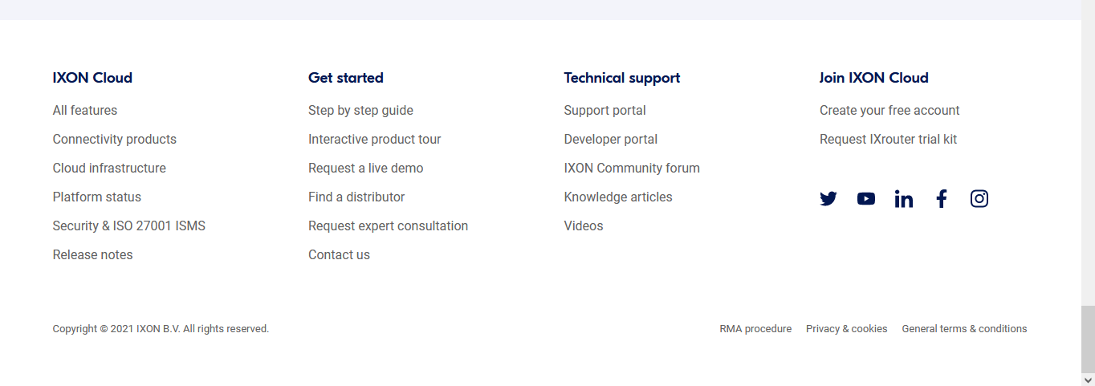
 | Drop down |  | Drop down
 | RexCloud | Drop down | Industrial IOT | New career page with data feed option
 | IIOT Edge gateways | REX-EDGE 1525-EP | Wireless solution | First Name | Entry
 |  | REX-EDGE 1525-EX | Preventive and Predictive Maintanance | Last Name | Entry
 |  |  | Water and waste water management | Email ID | Entry
 |  |  | Energy | Contact No | Entry
 |  |  | Building Management | Address | Entry
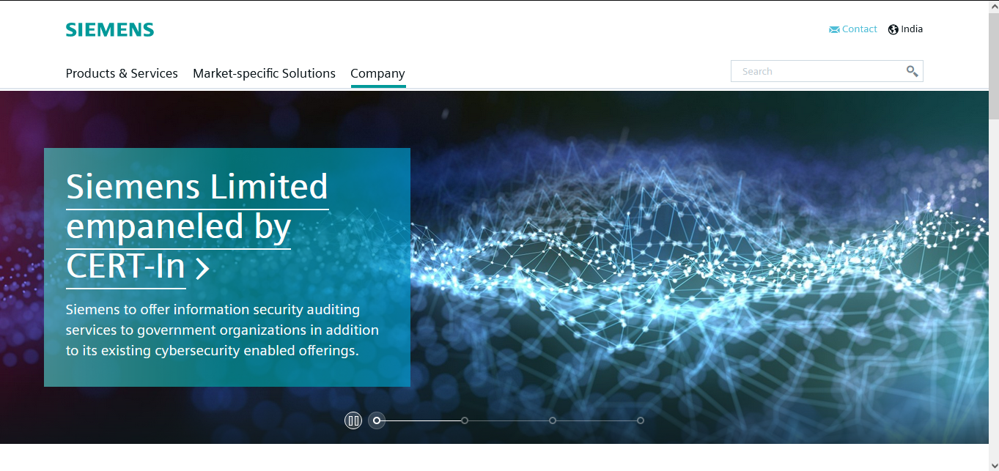
 |  |  |  | Why do you want to become a part of team Elisrun | Entry
 |  |  |  | File upload | pdf

Solutions
About us
Career



 |  |  |  |  |  | Product Demo
 |  |  |  |  |  | Inquiry
 |  |  |  |  |  | Technica Support

Why we

Our Clients

Clients Testemonials

About us

UI MAIN






Edge Gateway_UI
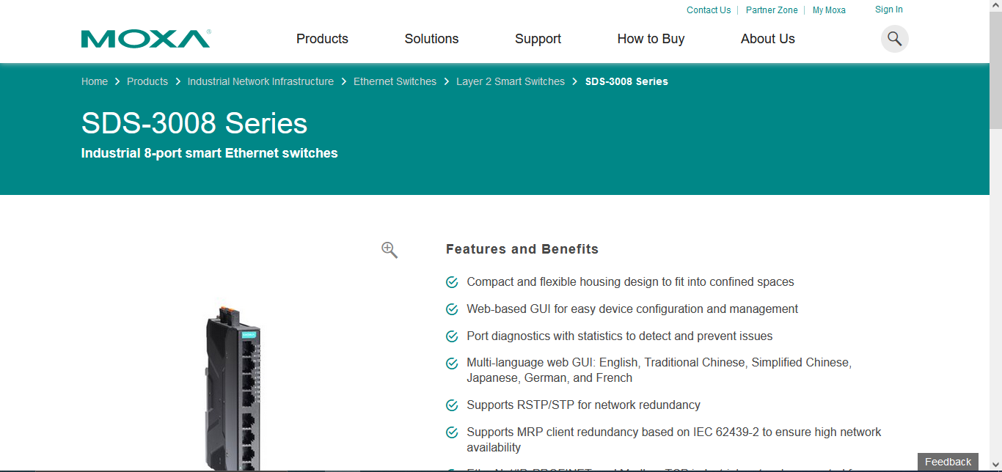

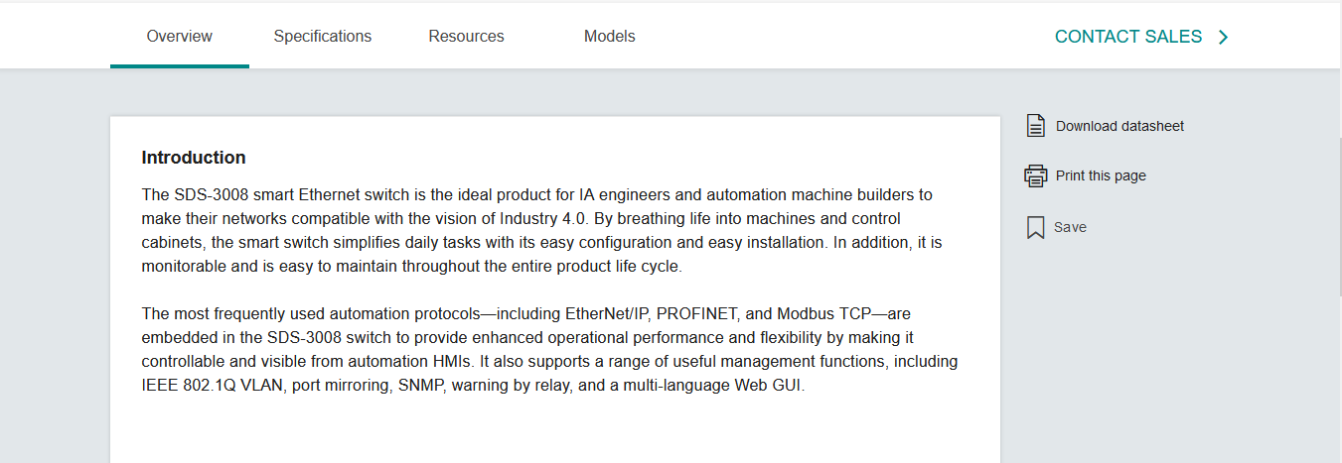

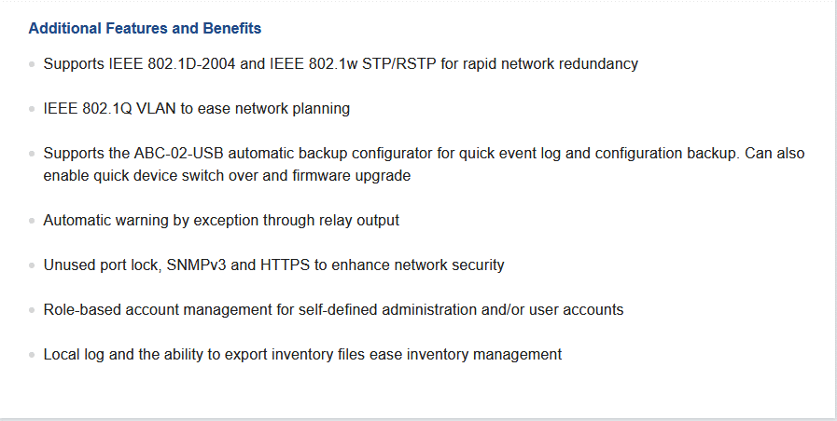

REXCLOUD

Solutions
About us
Career

 |  | Rexclou...The New-Gen IIoT platform

REX Cloud is the best no-code Industrial IoT platform, specially made for the advanced machine manufacturer. Enhance your machines with a personalized cloud platform for flawless remote service

Get started with rexcloud now >

Would you like to know?
Which of your machines are down, for what reason, and for how long?
Why and for what duration your machine was stopped?
In how much time the breakdown is resolved, and operation is resumed?
Your production loss while the machine was not in a working state?
Know all these remotely from anywhere in the world and that too in real-time without being at the shopfloor!
Don’t you think in this Pandemic situation this is the most desirable solution for you?

Our solutions can accelerate your existing machines to ensure they’re ready for the future
All-in-one remote service & IoT solution
Integration between cloud and machine.
Higher machine performance
Revamp machine production and decrease accidental downtime with faster access.
Ready for the future

Remote Access
Instant connect
Secure Data Transfer
Machine Dashboards
Discover trends, optimize maintenance and gain insight into production and the condition of your machines
Alarms & Notifications
Immediately ensure that the right people are informed in the event of a malfunction
User Management
Give everyone access to the right machines.
Web PLC
Data filters
Data preprocessing
VPN
End-to-End encryption
Mandatory authentication
Password policy
Structured authorization system
THE REX Cloud FEATURES
Scalable platform
No IT consulting necessary
Worldwide visualization
Encrypted data
Complete solution and support from a single source
VISUALIZATION
PREDICTIVE MAINTENANCE
OTHER CLOUD PROVIDERS (AWS, AZURE, …)
CLOUD
SECURITY
Industrial Ethernet protocols
Professional hosting
Scalable virtual data center
High availability
Service level agreement
OPERATIONS
Types of data: Boolean, integer
floating point, string, byte, array
Flexible event-trigger configuration
QoS levels
Scaling/Formating the data
Storage of all recorded data
Encrypted data transmission
Viewable on both PC and mobile platforms
Worldwide access to all relevant data at any time
Quick + secured + customizable.
CLOUD SMART DATA
The REX Cloud dashboard displays real-time machine data and states at a glance.
The front-end of the platform is customizable on request.

YOUR BENEFITS:
COMPETITIVE ADVANTAGE
EFFECTIVE PREDICTIVE
MAINTENANCE
HIGH FLEXIBILITY IN PRODUCTION

Our Solutions
1. Production management
2. Water and wastewater Management
3. Energy Management
4. Building Management
5.. Preventive & Predictive mainatanance

Request for Demo NOW!

 |  |  | Packages

Lite | Standard |  |  | PRO | ULTRA

Edge gateway
Solutions
About us
Career

REX-EDGE 1525-EP Edge gateway series enables monitoring and control of devices that support Modbus protocol like PLC/HMI, Energy meter, Chiller, AHU, VFD from a remote server via cellular or LAN. Its simple yet reliable design helps the customer to complete projects easily in a short duration of time.
Features
Web-based portal for configuration
Read/write device data from the web portal
Auto polling of field devices
Auto data recovery in case of network failure
Bi-directional data from the remote server
SSL/TLS security for communication
Disaster recovery of historical data
Built-in Ethernet and 2G (GPRS & EDGE) modem
JSON message format
Remote configuration
Remote software upgradation
No coding skills required to use
Specifications
Processor ARM 32 bitMemory 16GBEthernet100 Mbps (10/100 Base-T) Serial interfaceRS485, RS232(optional) Cellular connectivityGPRS, EDGEServer-side protocolMQTT, FTP, HTTP Device side protocolModbus RTU, Modbus TCP/IP, Telnet Power supply110 – 230V AC 50-60 HzStatus LEDsEthernet status, Power, Cellular link/activityOperating Temperature0º C to 60º C

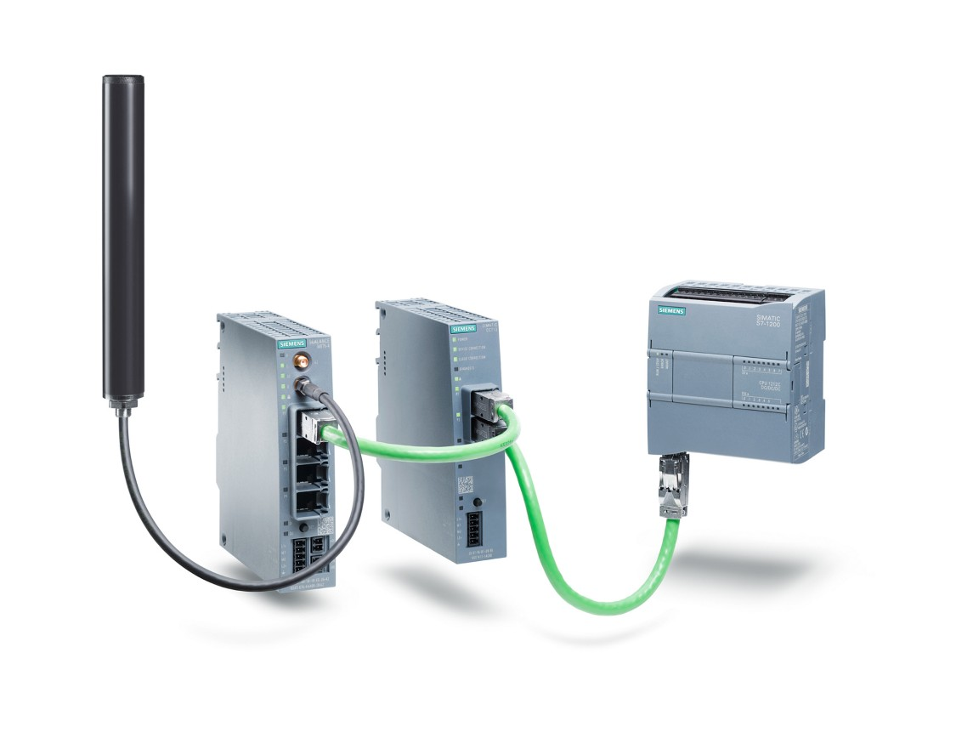

Download

